Sheet2 (2)
Picture |  | Model | Quantity | Market Price | Link
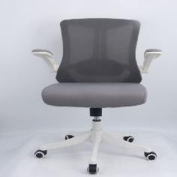 | 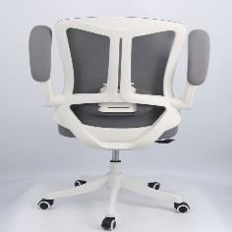 | 669B | 96 | $129.99 | https://www.amazon.com/LaoJawBow-Ergonomic-Office- Chair-Comfortable/dp/B0CTKSRTXY?ref_=ast_sto_dp&th=1
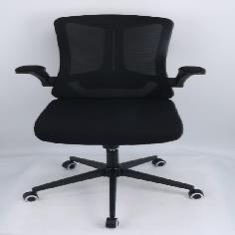 | 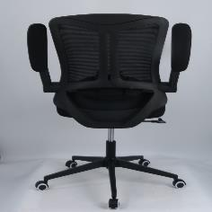 | 669B/889B | 446 | $119.99 | https://www.amazon.com/LaoJawBow-Ergonomic-Office- Chair-Comfortable/dp/B0CTKSRTXY?ref_=ast_sto_dp&th=1
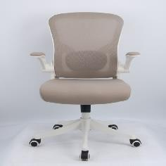 | 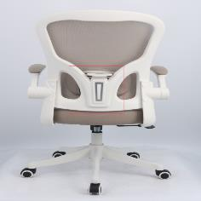 | 9409B/889B | 326 | $139.99 | https://www.amazon.com/LaoJawBow-Ergonomic-Office- Chair-Comfortable/dp/B0CTKSRTXY?ref_=ast_sto_dp&th=2
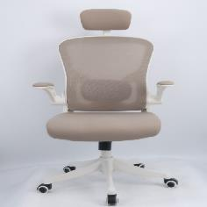 | 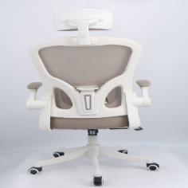 | 9409A/889A | 230 | $139.99 | https://www.amazon.com/LaoJawBow-Ergonomic-Office- Chair-Comfortable/dp/B0CTKSRTXY?ref_=ast_sto_dp&th=3
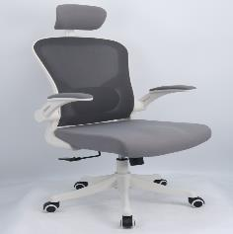 | 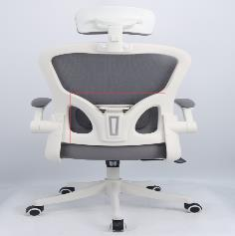 | 9409A | 119 | $139.99 | https://www.amazon.com/LaoJawBow-Ergonomic-Office- Chair-Comfortable/dp/B0CTKSRTXY?ref_=ast_sto_dp&th=4
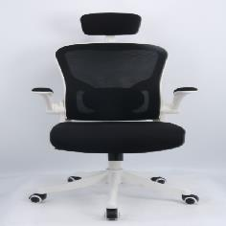 | 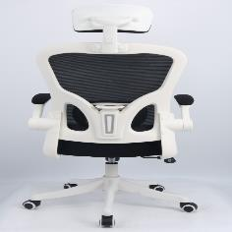 | 9409A | 278 | $129.99 | https://www.amazon.com/LaoJawBow-Ergonomic-Office- Chair-Comfortable/dp/B0CTKSRTXY?ref_=ast_sto_dp&th=5
TOTAL |  |  | 1495

